Sheet3
Row Labels | Count of Order id | Sum of Qty | Sum of Amount | Sum of Profit 10% | Row Labels | Sum of Amount
Jan | 86 | 399 | ₹ 880,260 | ₹ 88,026 | Qtr1 | 2414032
Feb | 81 | 308 | ₹ 696,422 | ₹ 69,642 | Qtr2 | 2368180
Mar | 92 | 370 | ₹ 837,350 | ₹ 83,735 | Qtr3 | 3095380
Apr | 86 | 339 | ₹ 837,920 | ₹ 83,792 | Qtr4 | 1965450
May | 89 | 307 | ₹ 653,680 | ₹ 65,368 | Grand Total | 9843042
Jun | 90 | 383 | ₹ 876,580 | ₹ 87,658
Jul | 88 | 514 | ₹ 1,181,320 | ₹ 118,132
Aug | 81 | 386 | ₹ 917,730 | ₹ 91,773
Sep | 82 | 443 | ₹ 996,330 | ₹ 99,633
Oct | 86 | 313 | ₹ 668,480 | ₹ 66,848
Nov | 56 | 255 | ₹ 560,120 | ₹ 56,012 | Row Labels | Sum of Amount | Art | ₹ 1,974,370
Dec | 64 | 263 | ₹ 736,850 | ₹ 73,685 | Art | 1974370 | Computer | ₹ 1,677,384
Grand Total | 981 | 4280 | ₹ 9,843,042 | ₹ 984,304 | Computer | 1677384 | Electronics | ₹ 1,999,150
 |  |  |  |  | Electronics | 1999150 | Mobiles | ₹ 2,175,180
 | 981 | 4280 | ₹ 9,843,042 | ₹ 984,304 | Mobiles | 2175180 | Storage | ₹ 2,016,958
 |  |  |  |  | Storage | 2016958 | Grand Total | ₹ 9,843,042
 |  |  |  |  | Grand Total | 9843042

 |  |  |  |  | Row Labels | Sum of Qty
 |  |  |  |  | Art | 857 | Art | 857
 |  |  |  |  | Computer | 822 | Computer | 822
 |  |  |  |  | Electronics | 870 | Electronics | 870
 |  |  |  |  | Mobiles | 842 | Mobiles | 842
 |  |  |  |  | Storage | 889 | Storage | 889
 |  |  |  |  | Grand Total | 4280 | Grand Total | 4280

Dashboard
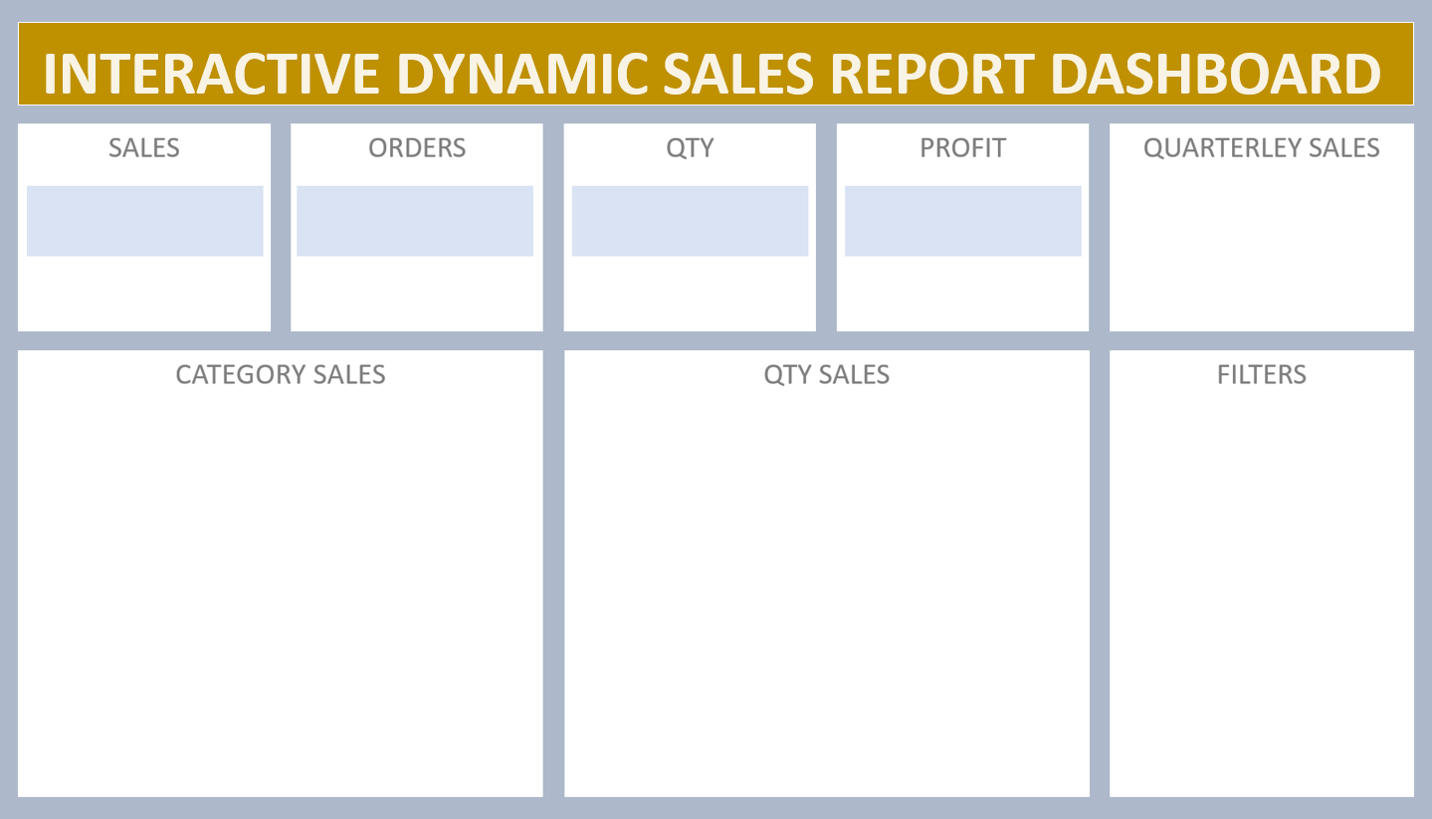

 | Total
Qtr1 | 2414032
Qtr2 | 2368180
Qtr3 | 3095380
Qtr4 | 1965450
₹ 98,43,042
981
4280
₹ 9,84,304

